1 Tier with 3 line item
1 tier with 3 line items(Will Writing Fee, Custody Fee, Executor Fee)

Commission Setup - Will Writing Fee
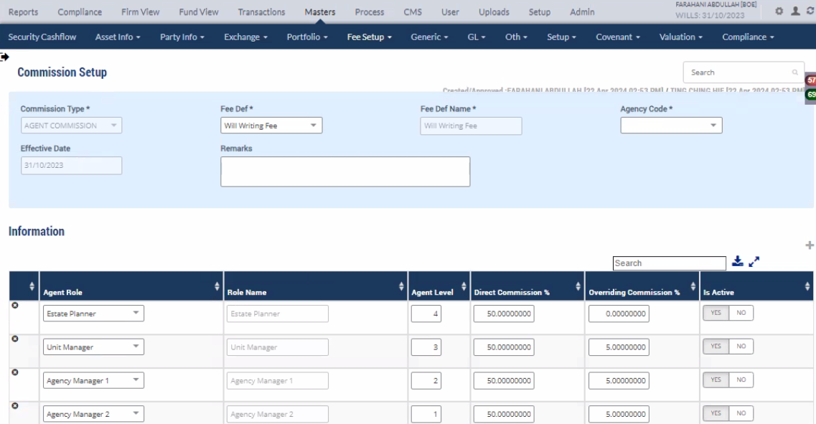

Commission Setup - Will Custody Fee
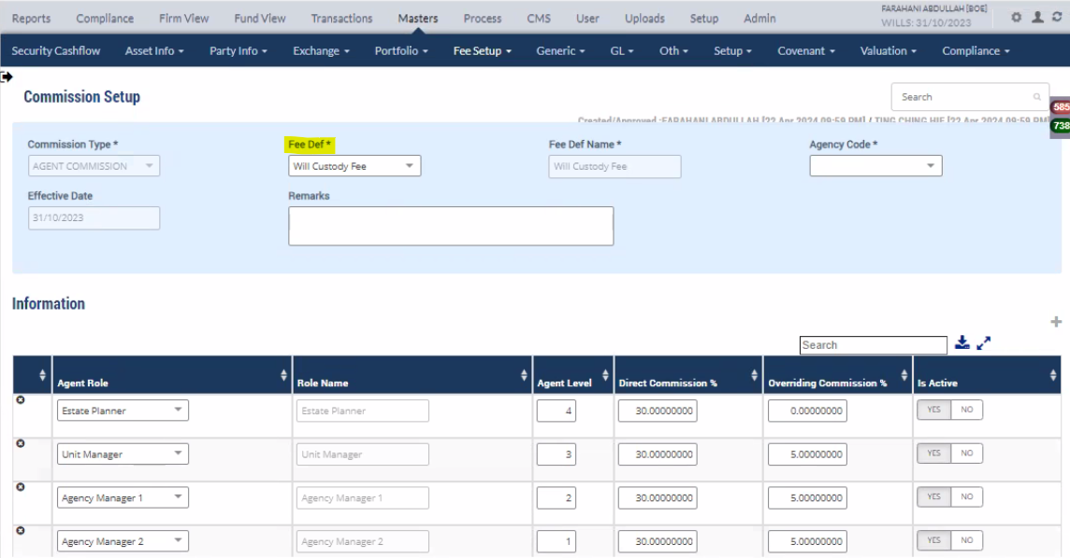

Commission Setup - Will Executor Fee
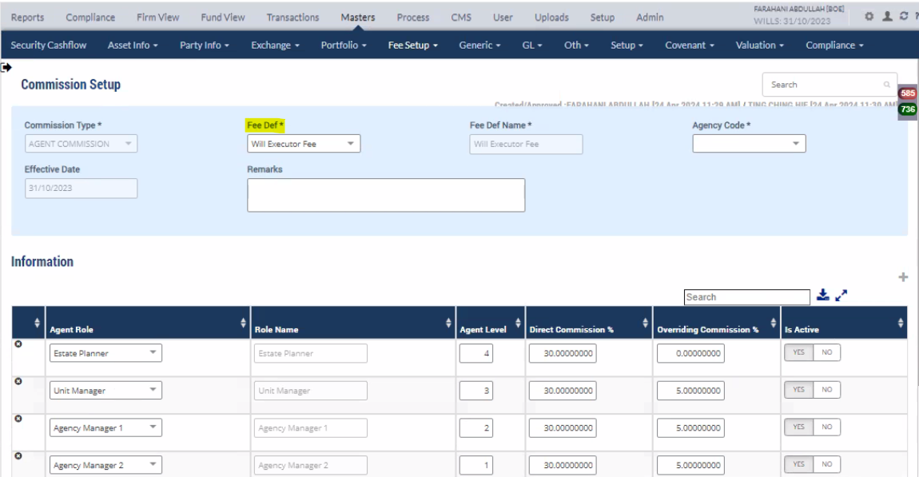

Customer/Testator
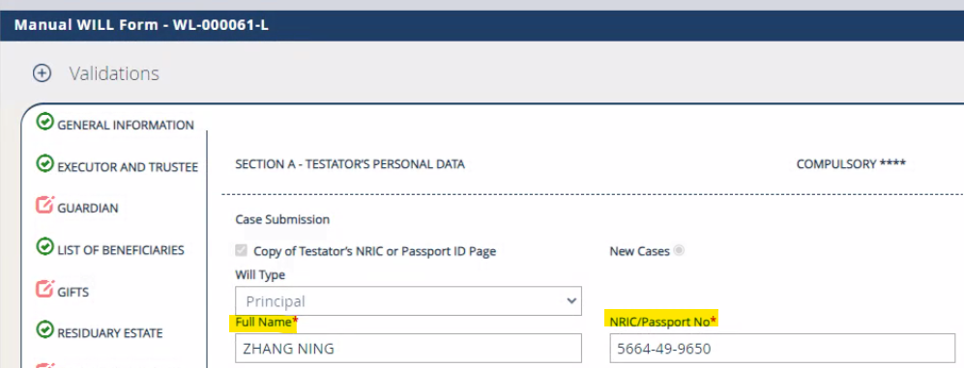

EP Details
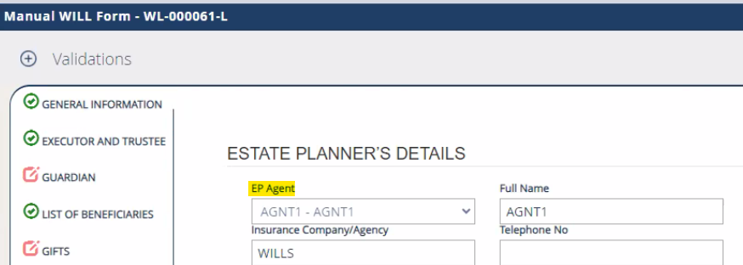

Portfolio Party Mapping

Mapping the new onboard customer under portfolio in Portfolio Party Mapping Screen in mPower

Other Party Master

AGNT1 - Estate Planner

Commission Process

Commission data Result

1 Tier with 3 fees(WWRF- Will Writing Fee, WCSF - Will Custody Fee, WEAF - Will Executor Appointment Fee)

2 Tier with 3 line item
2 tier with 3 line items(Will Writing Fee, Custody Fee, Executor Fee)

Commission Setup - Will Writing Fee

Commission Setup - Will Custody Fee

Commission Setup - Will Executor Fee

Customer/Testator

EP Details

Other Party Master

AGNT1 - Estate Planner

 | Reporting Manager

AGNT2 - Unit Manager
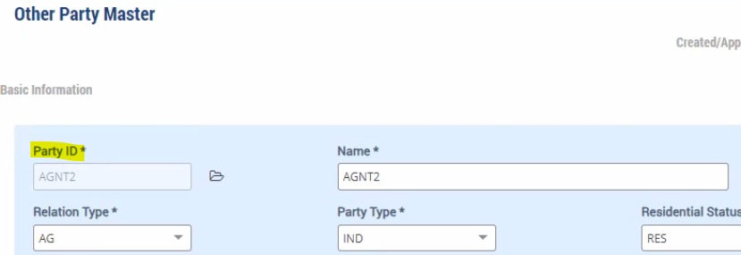

Commission Process

Commission data Result

2 Tier with 3 fees(WWRF- Will Writing Fee, WCSF - Will Custody Fee, WEAF - Will Executor Appointment Fee)

3 Tier with 3 line item
3 tier with 3 line items(Will Writing Fee, Custody Fee, Executor Fee)

Commission Setup - Will Writing Fee
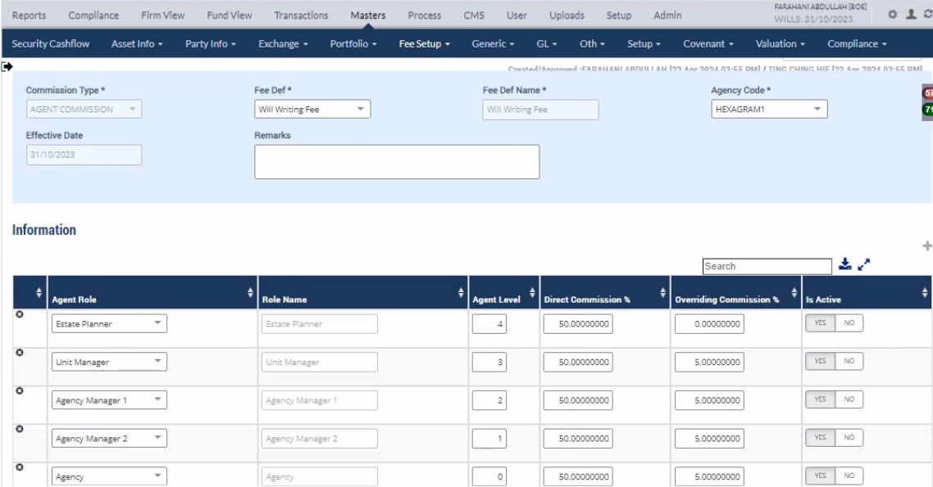

Commission Setup - Will Custody Fee
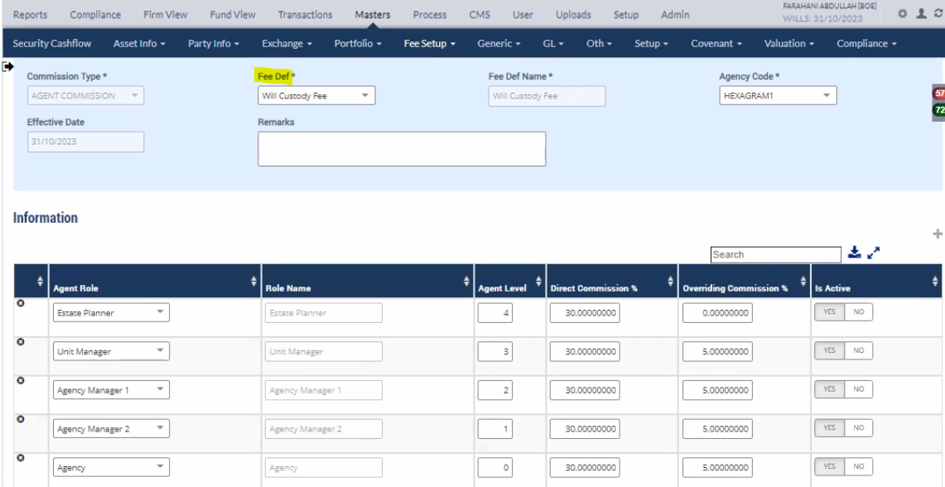

Commission Setup - Will Executor Fee
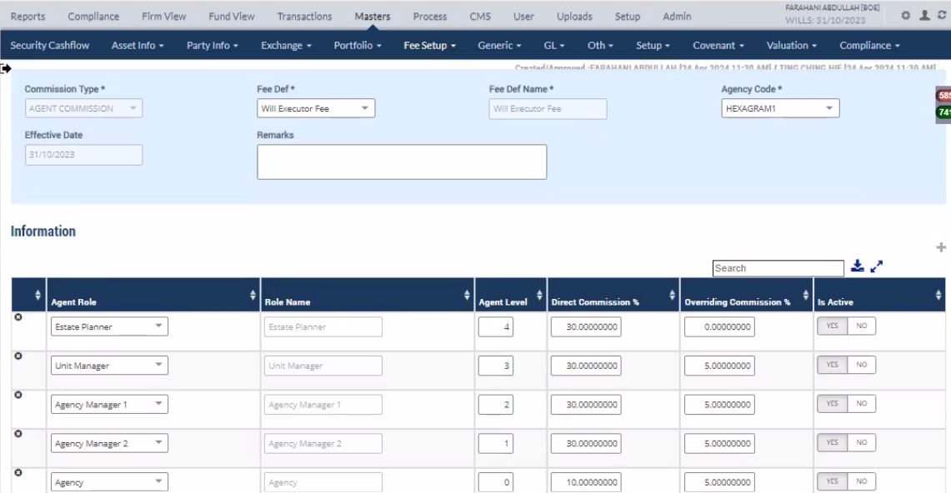

Customer/Testator

EP Details

Other Party Master

AGNT1 - Estate Planner

 |  | Reporting Manager

AGNT2 - Unit Manager

 | Reporting Manager

AGNT3 - Agency Manager 1

Commission Process

Commission data Result

3 Tier with 3 fees(WWRF- Will Writing Fee, WCSF - Will Custody Fee, WEAF - Will Executor Appointment Fee)

4 Tier with 3 line item
4 tier with 3 line items(Will Writing Fee, Custody Fee, Executor Fee)

Commission Setup - Will Writing Fee

Commission Setup - Will Custody Fee

Commission Setup - Will Executor Fee

Customer/Testator

EP Details

Other Party Master

AGNT1 - Estate Planner

 |  | Reporting Manager

AGNT2 - Unit Manager

 | Reporting Manager

AGNT3 - Agency Manager 1

 |  |  | Reporting Manager

AGNT4 - Agency Manager 2
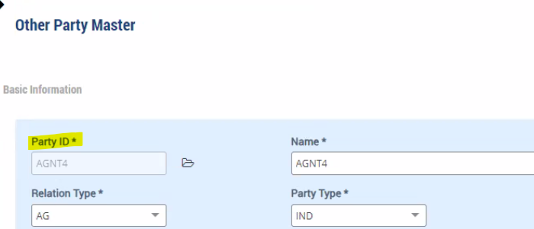

Commission Process

Commission data Result

4 Tier with 3 fees(WWRF- Will Writing Fee, WCSF - Will Custody Fee, WEAF - Will Executor Appointment Fee)

